Data
loads | cycles | censor
204 | 135247 | 1
135 | 582211 | 1
116 | 1954494 | 1
107 | 5000145 | 0
107 | 2755840 | 1
99 | 5000150 | 0
107 | 3050208 | 1
99 | 5000150 | 0
107 | 5000146 | 0
116 | 2137423 | 1
107 | 3871047 | 1
99 | 5000150 | 0
107 | 2244071 | 1
99 | 5000150 | 0
107 | 3892932 | 1
99 | 5000151 | 0
107 | 4508977 | 1
255 | 45166 | 1
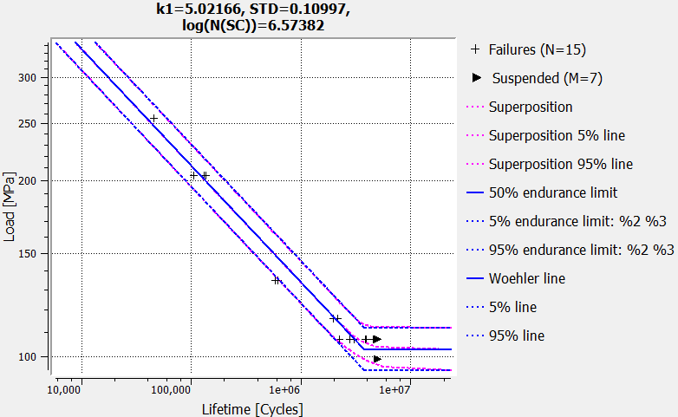
255 | 45639 | 1
204 | 104373 | 1
204 | 129745 | 1
135 | 613424 | 1

Jurojin_results
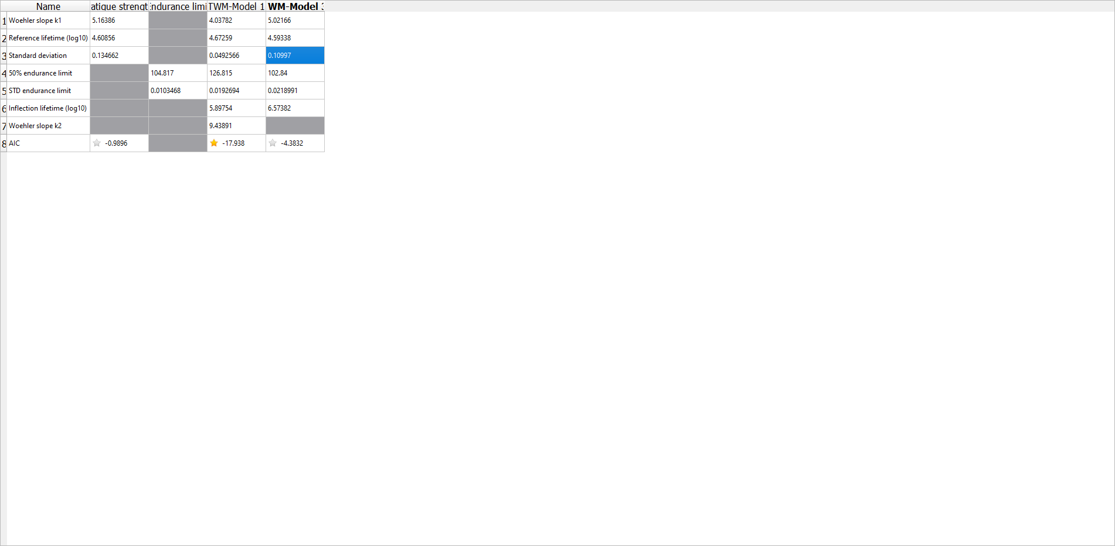
k | 5
ND | 3748176.2114
Pü50 | 103
slog | 0.022

